Calculate Available Cash
*Please view the example account on the next tab to see how the tool works using the Trial Balance & Expenditure reports.

Calculating Available Cash using Budget Expenditure Report & Trial Balance
Use the Balances posted in FGCU Budget Expend. and FGCU Trial Balance to fill in the gray areas only. The form is programed to calculate the rest.
Step 1:
Use the FGCU Trial Balance for Organization report for these totals
 | Ledger Number | Balance
Ending Claim on Cash | 11000 | - | <-- If this total is already in parentheses within Trial Balance, then your cash is already negative :(
Ending Cash in Bank | 11200 | - | <-- Enter exactly as you see it in Trial Balance. For example, if it shows (3,858) enter in this cell -3,858
 | Total Cash After Commitments | -

Step 2:
FGCU Budget Expenditure report "Summary" Available Balances (DO NOT Include Transfer In Balances or any Negative Balances)
 |  | Balance
Benefits Expense |  | -
Fixed Capital Outlay |  | -
Capital |  | -

Chargebacks |  | -
Financial Aid |  | -
General Expense |  | -
Library Resources |  | -
OPS Expense |  | -
Salary Expense |  | -
Transfers-Out |  | -
Travel Expense |  | -
Utilities |  | -
 | Remaining Available Budget | -

*The numbers below are formulas that calculate automatically*
 |  | Balance
 | Total Cash After Commitments | -
- | Remaining Available Budget

 |  | -
 | Available Cash | - | This is the amount of cash you have left to spend, accounting for any remaining budget already posted. This is the max you can request in a budget increase without posting more budget than available cash.

EXAMPLE
Calculating Available Cash using Budget Expenditure Report & Trial Balance
Use the Balances posted in FGCU Budget Expend. and FGCU Trial Balance to fill in the gray areas only. The form is programed to calculate the rest.
Step 1:

Use the FGCU Trial Balance for Organization report for these totals
 | Ledger Number | Balance
Ending Claim on Cash | 11000 | 126,421
Ending Cash in Bank | 11200 | -
 | Total Cash After Commitments | 126,421

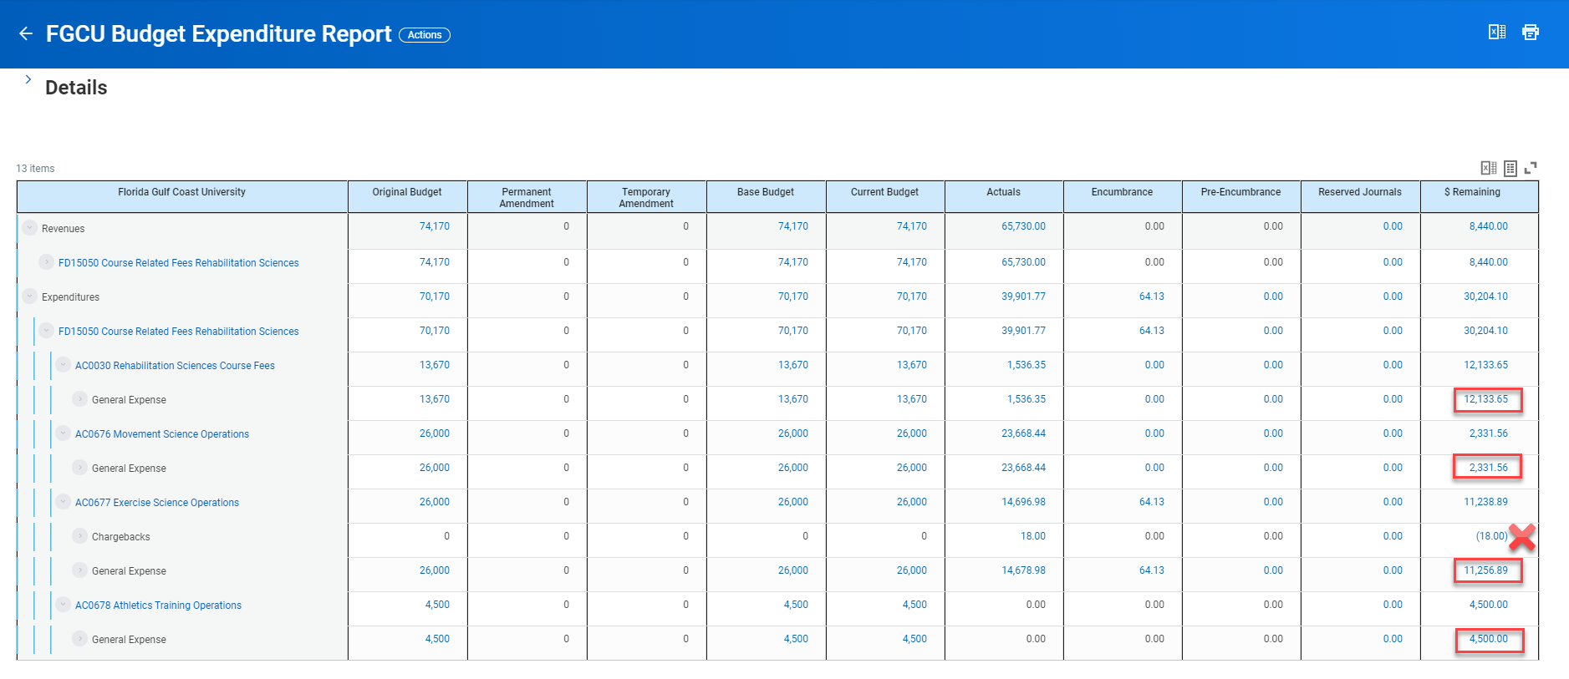
Step 2:
FGCU Budget Expenditure report "Summary" Available Balances (DO NOT Include Transfer In Balances or any Negative Balances)
 |  | Balance
Benefits Expense |  | -
Fixed Capital Outlay |  | -
Capital |  | -
Chargebacks |  | -
Financial Aid |  | -
General Expense |  | 30,222
Library Resources |  | -
OPS Expense |  | -
Salary Expense |  | -
Transfers-Out |  | -
Travel Expense |  | -
Utilities |  | -
 | Remaining Available Budget | 30,222

*The numbers below are formulas that calculate automatically*
 |  | Balance
 | Total Cash After Commitments | 126,421
- | Remaining Available Budget
 | Remaining Available Budget | 30,222
 | Available Cash | 96,199 | This is the amount of cash you have left to spend, accounting for any remaining budget already posted. This is the max you can request in a budget increase without posting more budget than available cash.

